T&FP
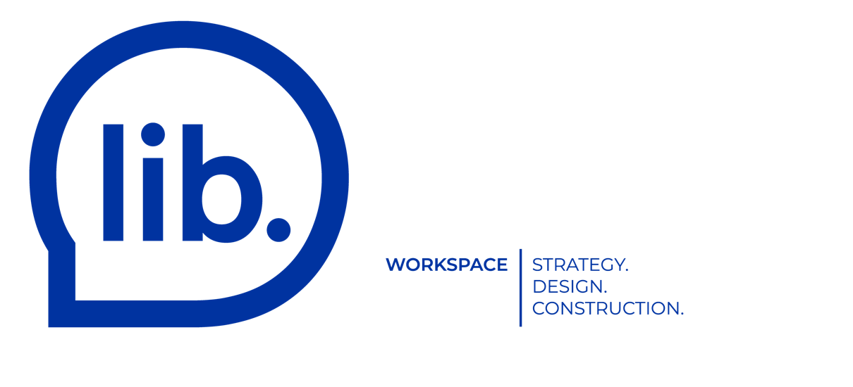
 |  |  | Technical and Functional Program

Step #1: fill in blue cells only.

Existing space |  |  | Size (sf) | Unit | Total (sf) | Notes
Size (in sf) |  |  |  |  |  | Net of the common/base building areas

Reception
 | Reception area with seating for 2-3 guests (10'x10') |  | 100 |  | 0
 | Reception area with a small lounge (lounge chair, sofa, chair, etc.) (10'x20') |  | 200 |  | 0
 | Reception area with a medium lounge (lounge chair, sofa, chair, etc.) (20x20) |  | 400 |  | 0
 | Mail and packages storage (3'x3') |  | 9 |  | 0

Workspace
 | Workstation SMALL (3'x6') |  | 18 |  | 0
 | Workstation STANDARD (5'x6') |  | 30 |  | 0
 | Workstation LARGE (8'x6') |  | 48 |  | 0
 | Office SMALL (8'x10') |  | 80 |  | 0
 | Office MEDIUM (10'x12') |  | 120 |  | 0
 | Office LARGE (10'x15') |  | 150 |  | 0
 | Office EXTRA LARGE (18'x15') |  | 270 |  | 0

Meeting Room
 | Phone Booth 1 pers. (5'x5') |  | 25 |  | 0
 | Meeting / Focus Room 1-2 pers. (8'x9') |  | 72 |  | 0
 | Meeting Room 2-4 pers. (10'x12') |  | 120 |  | 0
 | Meeting Room 4-6 pers. (10'x15') |  | 150 |  | 0
 | Meeting Room 6-8 pers. (12'x16') |  | 192 |  | 0
 | Meeting Room 8-10 pers. (12'x20') |  | 240 |  | 0
 | Conference Room 12 pers. (12'x24') |  | 288 |  | 0
 | Conference Room 16 pers. (12'x30') |  | 360 |  | 0
 | Conference Room 20 pers. (14'x36') |  | 504 |  | 0

Collaborative Space
 | Coffee/tea Station - Small counter with sink (6'x10') |  | 60 |  | 0
 | Coffee/tea Station + seating for 6-8 pers. (10'x12') |  | 120 |  | 0
 | Kitchen Area (sink, microwave, dishwasher) + seating for 8-10 pers. (12'x16') |  | 192 |  | 0
 | Collaborative Area (Lounge / Meditation / Reading Nook, etc.) (15'x15') |  | 225 |  | 0

Others(Closed Room)
 | Watercloset for 1 pers. (5'x7') |  | 35 |  | 0
 | Unisex Bathroom for 2 pers. - Must have 2 per space: men & women. (10'x10') |  | 100 |  | 0
 | Printing Room (5'x10') |  | 50 |  | 0
 | Server Room (8'x6') |  | 48 |  | 0
 | Storage Room (10'x6') |  | 60 |  | 0
 | Closet Area with hooks/pole for 12 pers. (5'x10') |  | 50 |  | 0
 | Closet Area with lockers for 12 pers.(8'x10') |  | 80 |  | 0
 | Gym (12'x20') |  | 240 |  | 0
 | Shower (5x5) |  | 25 |  | 0
 | Cloakroom with tub (5'x8') |  | 40 |  | 0
 | Mechanical Room (8'X12') - about 1 x 5000sf of space size |  | 96 |  | 0
 | Other Room #1 | x | 0 |  | 0
 | Other Room #2 | x | 0 |  | 0
 | Other Room #3 | x | 0 |  | 0
 | Other Room #4 | x | 0 |  | 0
 | Other Room #5 | x | 0 |  | 0

 | Sub-total |  |  |  | 0

 | Circulation (40%) |  |  | 40% | 0

 |  |  | Existing size |  | Size Needed
 |  |  | 0 | VS | 0 | total
 |  |  |  |  | #DIV/0! | sf / pers.

Step #2: send us a copy at info@lib.space. We will then be able to get back to you with a detailled preliminary budget.

